Cover Page
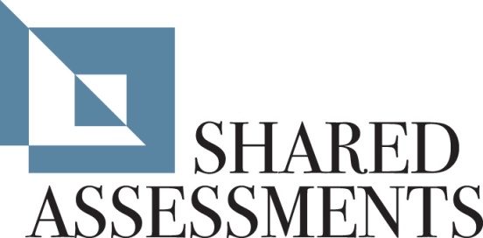
 | Dashboard | % Comp | 0
 | Terms Of Use | N/A
 | Business Information | 100%
 | Documentation Request List | N/A
 | SIG Lite | 0%
 | A. Risk Management | 100%
 | B. Security Policy | 100%
The Santa Fe Group | C. Organizational Security | 100%
Standardized Information Gathering (SIG) Questionnaire | D. Asset Management | 100%
Version 7.0 | E. Human Resources Security | 100%
Released: December 2011 | F. Physical and Environmental | 100%
 | G. Communications and Operations Management | 100%
http://www.sharedassessments.org | H. Access Control | 100%
sharedassessments@santa-fe-group.com | I. Information Systems Application Development and Maintenance | 100%
 | J. Incident Event and Communications Management | 100%
Instructions | K. Business Continuity and Disaster Recovery | 100%
 | L. Compliance | 100%
There are three parts to this questionnaire: | P. Privacy | 100%
Part I. - Business Info - To be completed by 3rd Party | V. Cloud | #REF!
Part II. - Documentation - Requested Information to be returned by 3rd Party | Z. Additional Questions | N/A
Part III. - 3rd Party Initial - To be completed by 3rd Party | Glossary | N/A
 | Version History | N/A
Additional Notes: | Formula Notes | N/A
There are two parts to this questionnaire: | Full | N/A
- SIG Lite | SIG Total | #REF!
- Detail tabs (A through V).
 | Response Cell Background Color Coding (All tabs) | Resp
Please follow the instructions below to complete the full SIG. | Response Required (cells with a blue background are editable)
 | Yes Response | Yes
Full SIG | No Response | No
1) Complete the "Business Information" tab. | N/A Response | N/A
2) Compile all documentation requested on the "Documentation" tab. | Top of table (no response required)
3) Answer all questions on the "SIG Lite" tab and tabs A through L and P by
selecting "Yes," "No" or "N/A" from the drop-down menu.
4) Use the "Additional Information" field to provide any pertinent information.
(An explanation is required for "N/A" responses.)
5) Answer questions on the "Additional Questions" tab (tab M) only if additional
questions have been inserted there.

